README
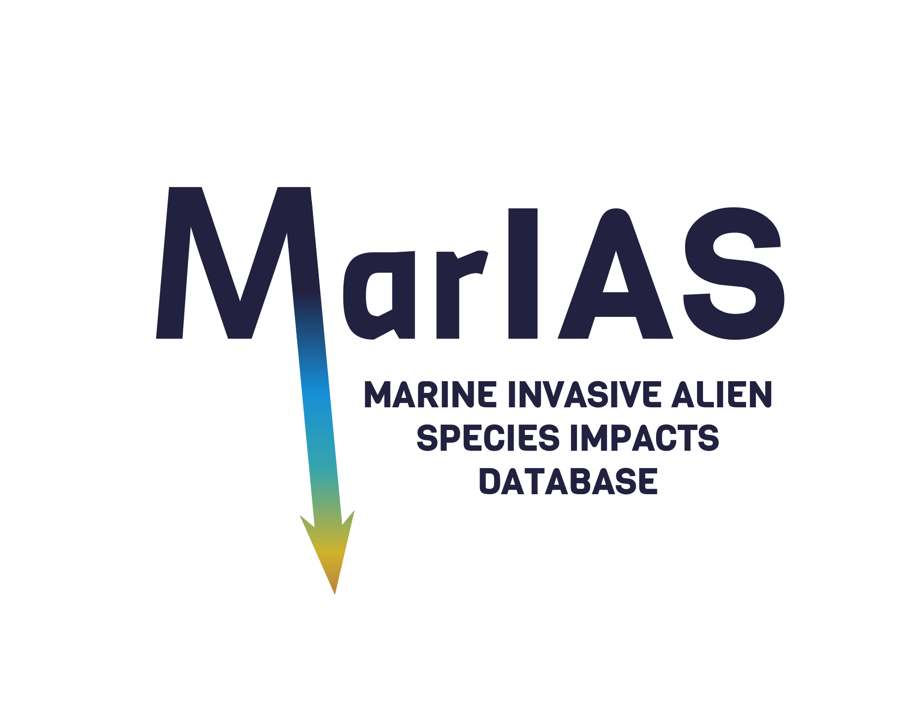
 | upload data form | MarIAS - Marine Invasive Alien Species Impacts Database |  |  | MOVIAS
 | Fill in the 'data_to_import' sheet with the data you wish to submit. To ensure correct functionality of the importing tool, do not delete, rename, or alter the structure of any sheets provided within the file. |  |  | www.ges4seas.eu
 |  |  |  | https://guardias.eu
 | Save 'data_to_import' spreadsheet as a csv (comma-separated "," and UTF-8) file and import to the database. |  |  | Contacts: heliana.teixeira@ua.pt ; fmatos@ua.pt
Field | Description | Format | Mandatory | Link to additional resources
id | User entry code | free text | no
Species | Taxonomic identification as in the original source | free text Genus + specificEpithet + scientificNameAuthorship (if available) | yes
establishmentMeans | Whether it has been introduced to a given place and time through direct or indirect activity of humans | select from menu: native; introduced; cryptic; uncertain (dwc based) | no | http://rs.tdwg.org/dwc/iri/establishmentMeans
verbatimLocality | Location of study/observation | free text as reported by original source | yes | http://rs.tdwg.org/dwc/terms/locality
GlobalOceans | Geography of location World | select from menu, Global | HIERARCHICAL | no; but required to obtain MoI calculations per region
GlobalSeas |  | select from menu, Global | | no; but required to obtain MoI calculations per region
EUMarineRegion | Geography of location Europe | select from menu, European relevance MSFD | HIERARCHICAL | no; but required to obtain MoI calculations per region | https://www.eea.europa.eu/en/datahub/datahubitem-view/7144675c-5c84-456f-92e0-8f832239d880
EUMarineSubRegion |  | select from menu, European relevance MSFD | | no; but required to obtain MoI calculations per region | https://www.eea.europa.eu/en/datahub/datahubitem-view/7144675c-5c84-456f-92e0-8f832239d880
verbatimHabitat | Description of habitat of observed impact | free text as reported by original source | yes | http://rs.tdwg.org/dwc/terms/habitat or http://rs.tdwg.org/dwc/terms/eventRemarks
habitat | Habitat category | select from menu, 22 habitat categories | yes; required to obtain MoI calculations per habitat | https://doi.org/10.5281/zenodo.17106426
ImpactEvidence | Description of impact as reported by source | free text describing main impacts as in original source | yes | http://rs.tdwg.org/dwc/terms/measurementRemarks or http://rs.tdwg.org/dwc/terms/verbatimMeasurementType
degreeOfEstablishment | Degree to which it survives, reproduces, and expands its range at the given place and time. | select from menu: casual; reproducing; established; colonising; invasive; widespreadInvasive (dwc based) | no | http://rs.tdwg.org/dwc/terms/degreeOfEstablishment
mechanismImpact | Mechanism of impact. | select from menu, 12 categories (from EICAT) | no | https://portals.iucn.org/library/sites/library/files/documents/2020-026-En.pdf
ecosystemEngineering | Process by which environmental change occurs | if applicable, select from menu, 4 categories | no
MoIScoreDescriptive | Magnitude of impact score | select from menu, see 'Scoring Protocol' spreadsheet for Magnitude of Impact (MoI) categories | yes | Katsanevakis et al. 2016 https://doi.org/10.1111/ddi.12429
SoEDescr | Strength of evidence on impact descriptive category | select from menu, see 'Scoring Protocol' spreadsheet for Strength of Evidence (SoE) categories | yes | Katsanevakis et al. 2016 https://doi.org/10.1111/ddi.12429
SoEScore | Strength of evidence on impact score | automatic fill after SoEDescr is selected | automatically filled in
OriginalReferenceImpacts | Original reference source of documented impact | short reference of authors and year, e.g. Ivantsoff & Aarn 1999 | yes
RefFull | Original full reference of documented impact | full reference, e.g. APA style | no
RefDoi | Doi of original reference source of documented impact | DOI in format: https://doi.org/XXXXXXXX | yes
RefLink | Link to original reference source of documented impact | URL address | no
AlternativeDataSource | Alternative data source if not from original reference | free text, e.g. a review, a database | no
RefLink2 | Link to alternative reference source of documented impact | URL address | no
Obs | Any remark | free text for any observation | no
ImpactObserver | Name of person making the impact assessment | First name Last name | yes | http://rs.tdwg.org/dwc/terms/measurementDeterminedBy
ContactObserver | Contact of person making the impact assessment | email address | yes
ContactProvider | Contact of person entering information into MarIAS database | email address (may differ from ContactObserver) | yes


Developed in the context of:
MOVIAS - MOdelling and MOnitoring the MOVement of Marine Invasive Alien Species – Advancing Predictability of Spread and Impacts
https://doi.org/10.54499/2022.08095.CEECIND/CP1720/CT0017
FCT CEEC individual Grant Heliana Teixeira (2023-2029)

Scoring Protocol
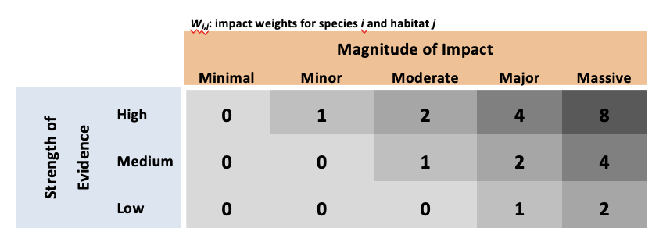
Impact Assessment Scoring Protocol |  | see also:
 | after Katsabenvakis et al. 2016 |  | Blackburn et al. 2014 | https://doi.org/10.1371/journal.pbio.1001850 | Blackburn, T. M. et al. A unified classification of alien species based on the magnitude of their environmental impacts. PLoS Biol. 12, e1001850 (2014).
 |  |  | Volery et al. 2020 | https://doi.org/10.3897/neobiota.62.52723 | Volery L, Blackburn TM, Bertolino S, Evans T, Genovesi P, Kumschick S, Roy HE, Smith KG, Bacher S (2020) Improving the Environmental Impact Classification for Alien Taxa (EICAT): a summary of revisions to the framework and guidelines. In: Wilson JR, Bacher S, Daehler CC, Groom QJ, Kumschick S, Lockwood JL, Robinson TB, Zengeya TA, Richardson DM. NeoBiota 62: 547-567.
 |  |  | IUCN EICAT | https:// doi.org/10.2305/IUCN.CH.2020.05.en | IUCN EICAT Categories and Criteria: The Environmental Impact Classification for Alien Taxa (EICAT). First edition. (IUCN, Gland, Switzerland and Cambridge, UK, 2020).
 |  |  | IUCN EICAT | https://portals.iucn.org/library/sites/library/files/documents/2020-026-En.pdf | IUCN EICAT Categories and Criteria: The Environmental Impact Classification for Alien Taxa (EICAT). First edition. (IUCN, Gland, Switzerland and Cambridge, UK, 2020).

Magnitude of Impact |  |  |  | Strength of Evidence
Minimal | No effect on fitness of native species; negligible impact on native species due to competition or predation or parasitism or toxicity or bio-fouling or grazing/herbivory; negligible impact on ecosystem processes and ecosystem functioning; negligible impact on keystone species or species of high conservation value; no chemical, physical or structural impact on the ecosystem (not an ecosystem engineer). |  |  | High | Impact is documented based on Manipulative Experiments (field or laboratory experiments that include treatments/control and random selection of experimental units) or Natural Experiments (one of the elements of manipulative experiments is missing and the experimental units are selected by nature, i.e. not randomly)
Minor | Reduction in individual fitness due to competition or predation or parasitism or toxicity or bio-fouling or herbivory, but no substantial population declines; minor impact on ecosystem processes and ecosystem functioning with no related population declines; negligible impact on keystone species or species of high conservation value; or causes changes in chemical, physical or structural habitat characteristics without decline of native populations. |  |  | Medium | Impact is documented based on Modelling (i.e. as derived from ecosystem models), Direct Observations (an observation or direct measurement of the impact about which there is no doubt, e.g. large-scale mortality events because of harmful algal blooms), or non-experimental-based Correlations (inference based on an observed correlation between the species’ presence/abundance and the impact, but not based on an experimental design for data collection)
Moderate | Declines in population densities because of competition or predation or parasitism or toxicity or bio-fouling or herbivory, but no changes in community composition; or displacement of no more than one species of similar niche; or impact on ecosystem processes and ecosystem functioning resulting to population declines but no substantial change in species composition; or reduction in individual fitness of at least one keystone species or species of high conservation value, but no substantial population declines; or ecological engineering, resulting to population declines but no substantial change in community composition. |  |  | Low | Impact is based on Expert Judgement, usually on the basis of empirical knowledge or the species' traits or the documented impact of similar species
Major | Changes in community composition and local or population extinction of at least one native species, because of competition or predation or parasitism or toxicity or bio-fouling or herbivory; impact on ecosystem processes and ecosystem functioning resulting to change in species composition; or population decline of at least one keystone species or species of high conservation value; or ecological engineering, resulting to change in community composition. Induced changes are reversible in the short term (<1 decade) with proper management measures or if the alien species population declines naturally.
Massive | The same as in 'major' but changes are irreversible in the short term (<1 decade) or currently there is no known effective management action for the control of the invasive alien species and a natural decline of its population seems highly unlikely.

